MNW vs WEL package pathlines
with well casing above well
ID | x_coord_wel | z_coord_final_wel | flowline_discharge_wel | endpoint_id_wel | total_travel_time_WEL | C_final_wel | cum. mass_final_wel | x_coord_mnw | z_coord_final_mnw | flowline_discharge_wel | endpoint_id_wel | total_travel_time_MNW | C_final_mnw | cum. mass_final_wel
0 | 1.3655 | 6.9996 | 0.1527 | well1 | 321.6019 | 2.72E-56 | 4.16E-57 | 1.3655 | 0.9999 | 0.1379 | well1 | 394.29965 | 4.37E-64 | 6.03E-65
1 | 3.347 | 6.9982 | 0.3669 | well1 | 353.9945 | 5.96E-64 | 4.16E-57 | 3.347 | 0.9993 | 0.3347 | well1 | 407.89487 | 2.53E-65 | 6.87E-65 |  |  | example flowline_id 0
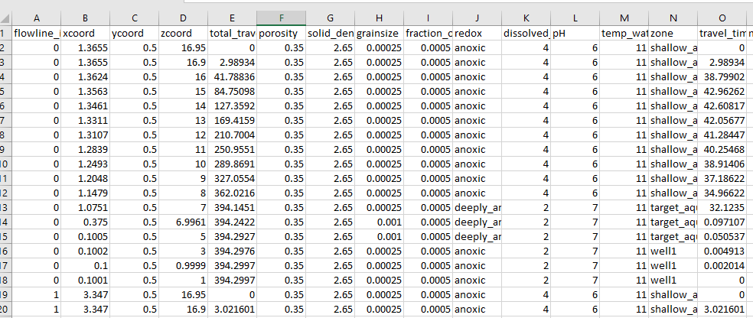
2 | 5.3285 | 6.9958 | 0.5666 | well1 | 382.73965 | 9.24E-66 | 4.16E-57 | 5.3285 | 0.9982 | 0.524 | well1 | 422.34714 | 9.10E-67 | 6.92E-65 |  |  | MNW
3 | 7.3095 | 6.9924 | 0.7508 | well1 | 408.872 | 2.55E-69 | 4.16E-57 | 7.3095 | 0.9967 | 0.7043 | well1 | 437.29922 | 2.71E-68 | 6.92E-65
4 | 9.2905 | 6.988 | 0.9207 | well1 | 431.50937 | 4.83E-74 | 4.16E-57 | 9.2905 | 0.9948 | 0.8749 | well1 | 452.2358 | 7.90E-70 | 6.92E-65
5 | 11.2715 | 6.9828 | 1.0786 | well1 | 450.68576 | 1.25E-69 | 4.16E-57 | 11.2715 | 0.9924 | 1.036 | well1 | 466.87683 | 2.49E-71 | 6.92E-65
6 | 13.253 | 6.9768 | 1.2274 | well1 | 468.0128 | 1.92E-71 | 4.16E-57 | 13.253 | 0.9897 | 1.1891 | well1 | 481.11053 | 8.63E-73 | 6.92E-65
7 | 15.2345 | 6.97 | 1.367 | well1 | 484.08234 | 4.12E-73 | 4.16E-57 | 15.2345 | 0.9866 | 1.3333 | well1 | 494.90732 | 3.34E-74 | 6.92E-65 | MNW package pathlines | MNW package pathlines
8 | 17.2155 | 6.9625 | 1.5008 | well1 | 499.1658 | 1.16E-74 | 4.16E-57 | 17.2155 | 0.9831 | 1.4713 | well1 | 508.27917 | 1.48E-75 | 6.92E-65 | LOG | LINEAR
9 | 19.197 | 6.9544 | 1.6298 | well1 | 513.4679 | 4.02E-76 | 4.16E-57 | 19.197 | 0.9794 | 1.6041 | well1 | 521.26404 | 7.29E-77 | 6.92E-65
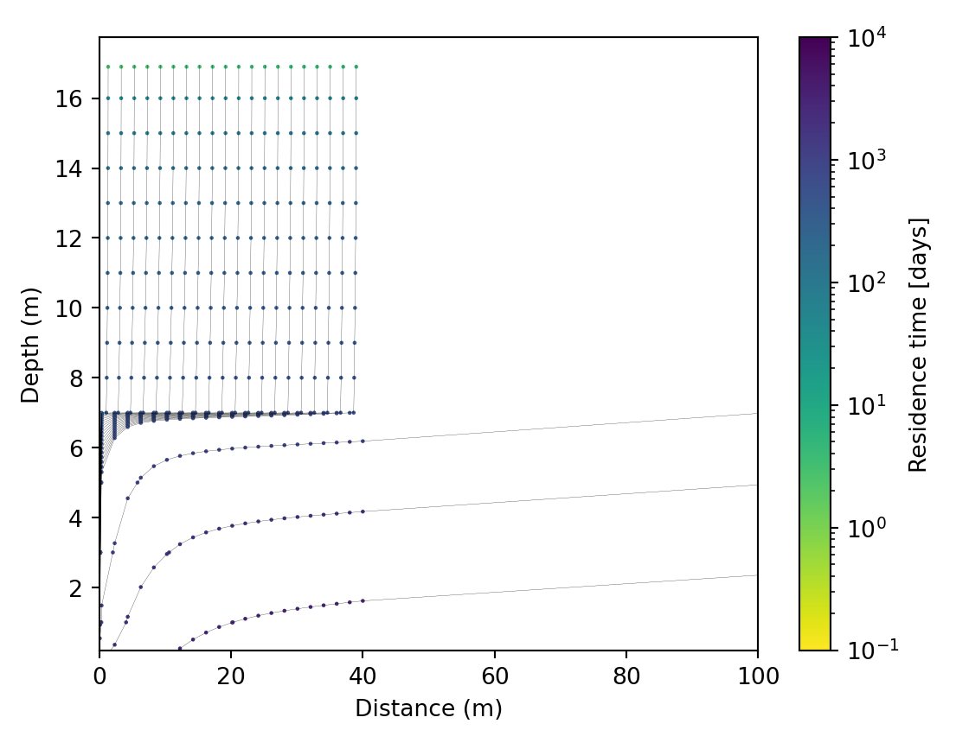
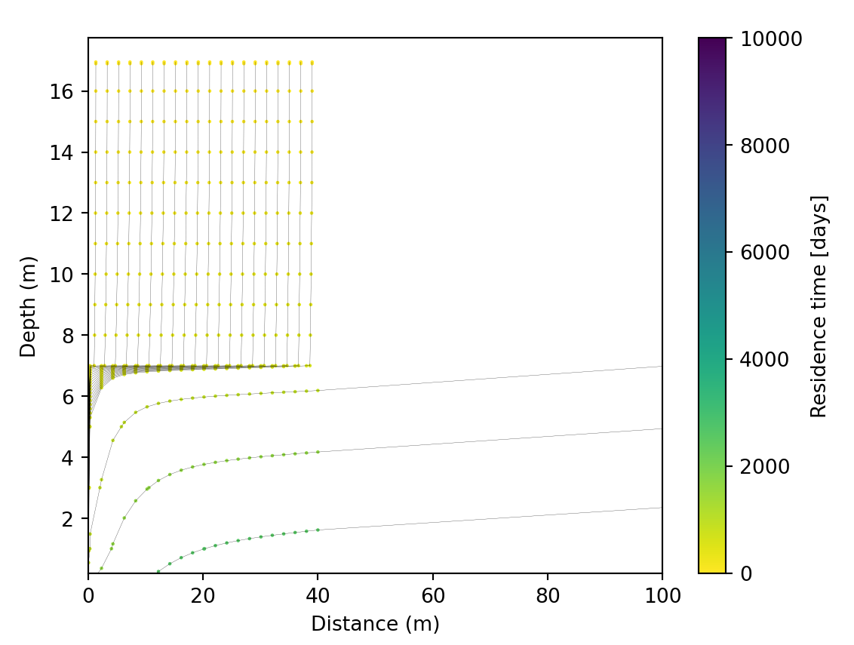
10 | 21.1785 | 6.9455 | 1.7524 | well1 | 527.1269 | 1.68E-77 | 4.16E-57 | 21.1785 | 0.9753 | 1.7301 | well1 | 533.89404 | 3.95E-78 | 6.92E-65
11 | 23.1595 | 6.9361 | 1.8716 | well1 | 540.2593 | 8.15E-79 | 4.16E-57 | 23.1595 | 0.9708 | 1.8521 | well1 | 546.20734 | 2.39E-79 | 6.92E-65
12 | 25.1405 | 6.926 | 1.987 | well1 | 552.9458 | 4.50E-80 | 4.16E-57 | 25.1405 | 0.9661 | 1.9698 | well1 | 558.2394 | 1.57E-80 | 6.92E-65
13 | 27.1215 | 6.9154 | 2.0989 | well1 | 565.2492 | 2.79E-81 | 4.16E-57 | 27.1215 | 0.9612 | 2.0838 | well1 | 570.0213 | 1.11E-81 | 6.92E-65
14 | 29.103 | 6.9041 | 2.2088 | well1 | 577.2272 | 1.90E-82 | 4.16E-57 | 29.103 | 0.9559 | 2.1953 | well1 | 581.582 | 8.38E-83 | 6.92E-65
15 | 31.0845 | 6.8923 | 2.3136 | well1 | 588.9216 | 1.42E-83 | 4.16E-57 | 31.0845 | 0.9504 | 2.3014 | well1 | 592.9495 | 6.86E-84 | 6.92E-65
16 | 33.0655 | 6.88 | 2.4167 | well1 | 600.36646 | 1.14E-84 | 4.16E-57 | 33.0655 | 0.9446 | 2.4055 | well1 | 604.13837 | 5.91E-85 | 6.92E-65
17 | 35.047 | 6.8671 | 2.5185 | well1 | 611.59814 | 9.86E-86 | 4.16E-57 | 35.047 | 0.9385 | 2.5081 | well1 | 615.18036 | 5.36E-86 | 6.92E-65
18 | 37.0285 | 6.8537 | 2.6153 | well1 | 622.6406 | 9.05E-87 | 4.16E-57 | 37.0285 | 0.9322 | 2.6054 | well1 | 626.0863 | 5.10E-87 | 6.92E-65
19 | 39.0095 | 6.8398 | 2.7111 | well1 | 633.5137 | 8.79E-88 | 4.16E-57 | 39.0095 | 0.9257 | 2.7015 | well1 | 636.87726 | 5.07E-88 | 6.92E-65
20 | 101.7495 | 6.0267 | 308.9181 | well1 | 973.97266 | 1.24E-114 | 4.16E-57 | 101.7495 | 0.5423 | 308.9191 | well1 | 975.72485 | 1.09E-114 | 6.92E-65
21 | 225.2485 | 4.0426 | 451.577 | well1 | 1677.1154 | 7.85E-159 | 4.16E-57 | 225.2485 | -0.3934 | 451.6071 | well1 | 1678.5664 | 7.21E-159 | 6.92E-65
22 | 348.7475 | 1.5246 | 513.5261 | well1 | 2621.5637 | 1.12E-205 | 4.16E-57 | 348.7475 | -1.9329 | 513.5607 | well1 | 2622.6213 | 1.06E-205 | 6.92E-65
23 | 472.2465 | -1.2087 | 534.0731 | well1 | 3881.2625 | 8.87E-259 | 4.16E-57 | 472.2465 | -4.1092 | 534.1092 | well1 | 3881.943 | 8.65E-259 | 6.92E-65
24 | 595.7455 | -3.9873 | 530.8998 | well1 | 5524.8237 | 0.00E+00 | 4.16E-57 | 595.7455 | -6.4902 | 530.9358 | well1 | 5525.0923 | 0 | 6.92E-65
25 | 719.2445 | -6.7131 | 513.8557 | well1 | 7629.4756 | 0.00E+00 | 4.16E-57 | 719.2445 | -8.895 | 513.8905 | well1 | 7629.357 | 0 | 6.92E-65 | WEL package pathlines | WEL package pathlines
26 | 842.7435 | -9.3295 | 488.9789 | well1 | 10285.432 | 0.00E+00 | 4.16E-57 | 842.7435 | -11.2421 | 489.012 | well1 | 10284.872 | 0 | 6.92E-65 | LOG | LINEAR
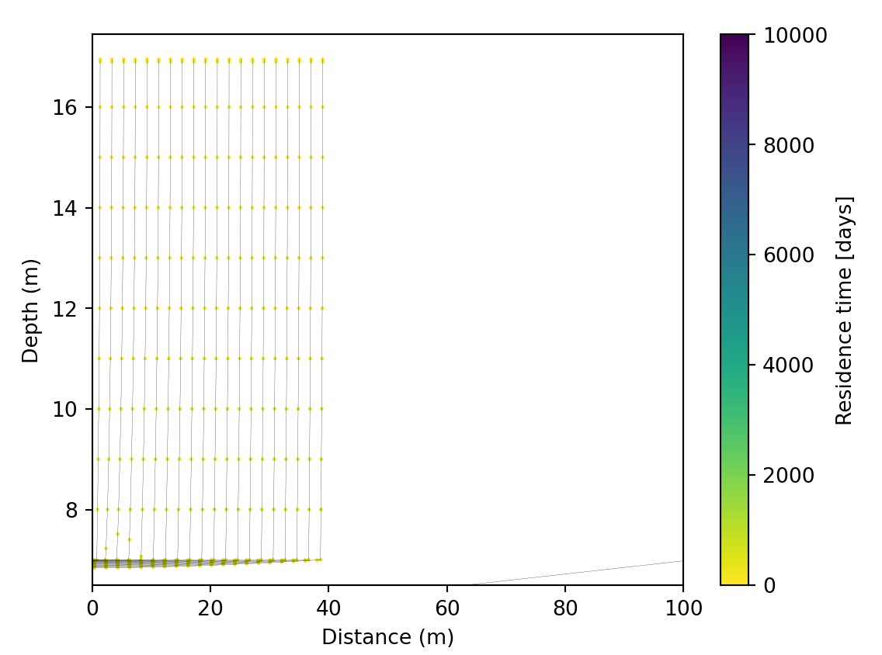
27 | 966.2425 | -11.8059 | 460.1649 | well1 | 13599.041 | 0.00E+00 | 4.16E-57 | 966.2425 | -13.4845 | 460.1959 | well1 | 13598.022 | 0 | 6.92E-65
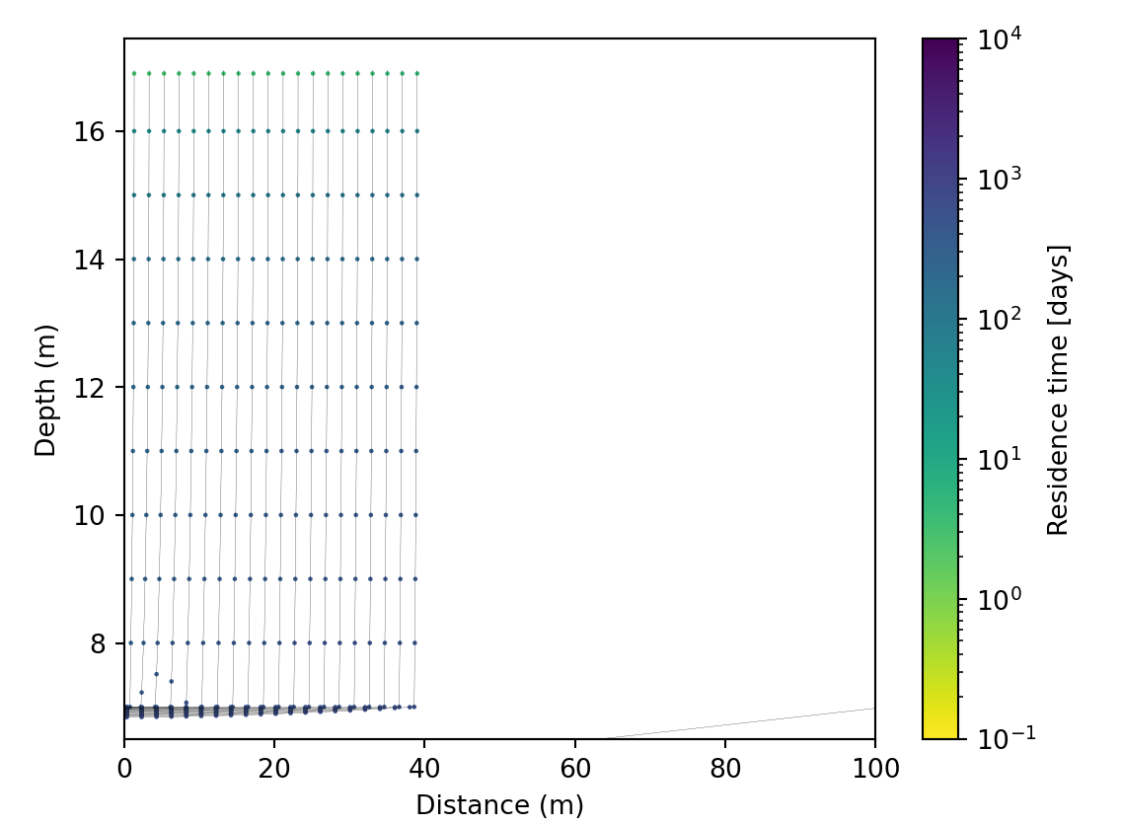
28 | 1089.7415 | -14.1284 | 430.0017 | well1 | 17696.154 | 0.00E+00 | 4.16E-57 | 1089.7415 | -15.6003 | 430.0308 | well1 | 17694.68 | 0 | 6.92E-65 |  |  | example flowline_id 0
29 | 1213.2405 | -16.2946 | 400.2403 | well1 | 22726.5 | 0.00E+00 | 4.16E-57 | 1213.2405 | -17.5822 | 400.2672 | well1 | 22724.527 | 0 | 6.92E-65 |  |  | WEL
30 | 1336.7395 | -18.3096 | 372.0777 | well1 | 28870.11 | 0.00E+00 | 4.16E-57 | 1336.7395 | -19.4315 | 372.1029 | well1 | 28867.582 | 0 | 6.92E-65
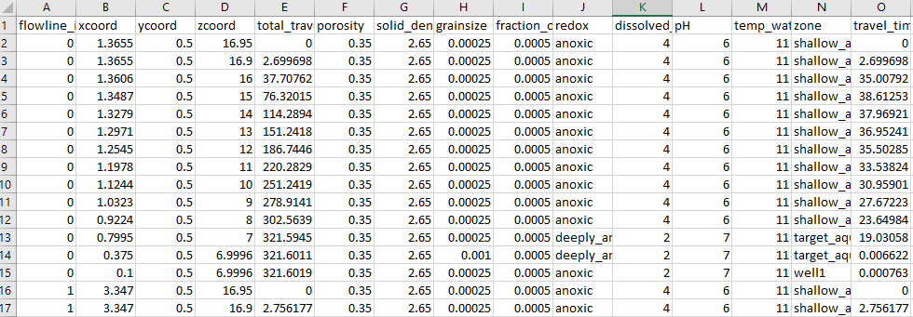
31 | 1460.2385 | -20.184 | 346.346 | well1 | 36347.84 | 0.00E+00 | 4.16E-57 | 1460.2385 | -21.1556 | 346.3694 | well1 | 36344.684 | 0 | 6.92E-65
32 | 1583.7375 | -21.932 | 323.6327 | well1 | 45440.277 | 0.00E+00 | 4.16E-57 | 1583.7375 | -22.7666 | 323.6546 | well1 | 45436.4 | 0 | 6.92E-65
33 | 1707.2365 | -23.5705 | 304.371 | well1 | 56523.746 | 0.00E+00 | 4.16E-57 | 1707.2365 | -24.2786 | 304.3916 | well1 | 56519.023 | 0 | 6.92E-65
34 | 1830.7354 | -25.1184 | 288.9001 | well1 | 70143.09 | 0.00E+00 | 4.16E-57 | 1830.7354 | -25.7082 | 288.9198 | well1 | 70137.4 | 0 | 6.92E-65
35 | 1954.2344 | -26.5962 | 277.5149 | well1 | 87166.43 | 0.00E+00 | 4.16E-57 | 1954.2344 | -27.074 | 277.5337 | well1 | 87159.555 | 0 | 6.92E-65
36 | 2077.7334 |  | 270.5001 | target_aquifer |  |  |  | 2077.7334 |  | 270.5178 | target_aquifer
37 | 2201.2324 |  | 268.1583 | target_aquifer |  |  |  | 2201.2324 |  | 268.1768 | target_aquifer
38 | 2324.7314 |  | 270.8422 | target_aquifer |  |  |  | 2324.7314 |  | 270.8607 | target_aquifer
39 | 2448.2305 |  | 278.9669 | target_aquifer |  |  |  | 2448.2305 |  | 278.9862 | target_aquifer

 | z_coord_final_wel |  | z_coord_final_mnw
1.3655 | 6.9996 | 1.3655 | 0.9999
3.347 | 6.9982 | 3.347 | 0.9993
5.3285 | 6.9958 | 5.3285 | 0.9982
7.3095 | 6.9924 | 7.3095 | 0.9967
9.2905 | 6.988 | 9.2905 | 0.9948
11.2715 | 6.9828 | 11.2715 | 0.9924
13.253 | 6.9768 | 13.253 | 0.9897
15.2345 | 6.97 | 15.2345 | 0.9866
17.2155 | 6.9625 | 17.2155 | 0.9831
19.197 | 6.9544 | 19.197 | 0.9794
21.1785 | 6.9455 | 21.1785 | 0.9753
23.1595 | 6.9361 | 23.1595 | 0.9708
25.1405 | 6.926 | 25.1405 | 0.9661
27.1215 | 6.9154 | 27.1215 | 0.9612
29.103 | 6.9041 | 29.103 | 0.9559
31.0845 | 6.8923 | 31.0845 | 0.9504
33.0655 | 6.88 | 33.0655 | 0.9446
35.047 | 6.8671 | 35.047 | 0.9385
37.0285 | 6.8537 | 37.0285 | 0.9322
39.0095 | 6.8398 | 39.0095 | 0.9257
101.7495 | 6.0267 | 101.7495 | 0.5423
225.2485 | 4.0426 | 225.2485 | -0.3934
348.7475 | 1.5246 | 348.7475 | -1.9329
472.2465 | -1.2087 | 472.2465 | -4.1092
595.7455 | -3.9873 | 595.7455 | -6.4902
719.2445 | -6.7131 | 719.2445 | -8.895
842.7435 | -9.3295 | 842.7435 | -11.2421
966.2425 | -11.8059 | 966.2425 | -13.4845
1089.7415 | -14.1284 | 1089.7415 | -15.6003
1213.2405 | -16.2946 | 1213.2405 | -17.5822
1336.7395 | -18.3096 | 1336.7395 | -19.4315
1460.2385 | -20.184 | 1460.2385 | -21.1556
1583.7375 | -21.932 | 1583.7375 | -22.7666
1707.2365 | -23.5705 | 1707.2365 | -24.2786
1830.7354 | -25.1184 | 1830.7354 | -25.7082
1954.2344 | -26.5962 | 1954.2344 | -27.074
2077.7334
2201.2324
2324.7314
2448.2305

